Sheet1
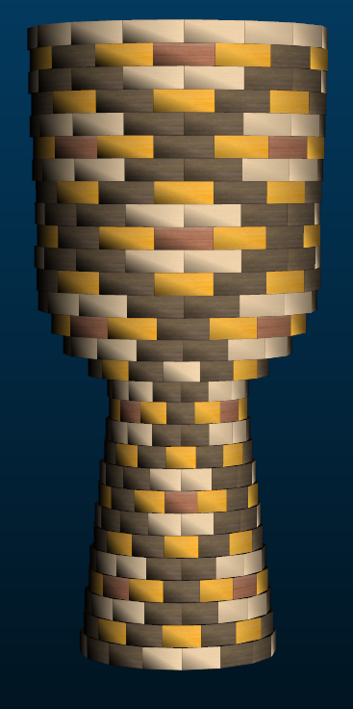
Large Segmented Ashiko: 464 Pieces |  |  |  |  |  | Segments per Ring: | 16 |  | Ring Thickness: | 0.875 | Angle: | 11.25 | Dimensions: 25.375" x 11.8" Diameter Head
 | Board | Board | Segment | Diameter | Species | Strip |  | Strip |  | Strip |  | Strip |  | Maple Area | Walnut Area | Cherry Area | Yellow Area
Row | Width | Length | S.E.L. | Outer | Maple | Length | Walnut | Length | Cherry | Length | Yellow | Length
1 | 1 | 16.1 | 1.559 | 7.8" | 8 | 8 | 8 | 8 |  |  |  |  |  | 8 | 8 | 0 | 0
2 | 1 | 16.7 | 1.52 | 7.6" |  |  | 8 | 8.3 |  |  | 8 | 8.3 |  | 0 | 8.3 | 0 | 0
3 | 1 | 17.2 | 1.476 | 7.4" | 8 | 8.6 | 8 | 8.6 |  |  |  |  |  | 8.6 | 8.6 | 0 | 0
4 | 1 | 17.8 | 1.436 | 7.2" |  |  | 4 | 4.4 | 4 | 4.4 | 8 | 8.9 |  | 0 | 4.4 | 4.4 | 4
5 | 1 | 18.4 | 1.396 | 7" | 8 | 9.1 | 8 | 9.1 |  |  |  |  |  | 9.1 | 9.1 | 0 | 0
6 | 1 | 18.8 | 1.353 | 6.8" |  |  | 8 | 9.3 |  |  | 8 | 9.3 |  | 0 | 9.3 | 0 | 0
7 | 1 | 19.1 | 1.313 | 6.6" | 8 | 9.5 | 8 | 9.5 |  |  |  |  |  | 9.5 | 9.5 | 0 | 0
8 | 1 | 19 | 1.277 | 6.4" |  |  | 4 | 4.7 | 4 | 4.7 | 8 | 9.4 |  | 0 | 4.7 | 4.7 | 4
9 | 1.2 | 17.9 | 1.237 | 6.2" | 8 | 8.9 | 8 | 8.9 |  |  |  |  |  | 10.68 | 10.68 | 0 | 0
10 | 1.37 | 16.5 | 1.186 | 6" |  |  | 8 | 8.2 |  |  | 8 | 8.2 |  | 0 | 11.234 | 0 | 0
11 | 1.56 | 15.2 | 1.142 | 5.7" | 8 | 7.6 | 8 | 7.6 |  |  |  |  |  | 11.856 | 11.856 | 0 | 0
12 | 1.69 | 14.2 | 1.106 | 5.6" |  |  | 4 | 3.5 | 4 | 3.5 | 8 | 7 |  | 0 | 5.915 | 5.915 | 6.76
13 | 1.77 | 14.2 | 1.118 | 5.6" | 8 | 7 | 8 | 7 |  |  |  |  |  | 12.39 | 12.39 | 0 | 0
14 | 2.58 | 16.7 | 1.44 | 7.2" | 4 | 4.1 | 8 | 8.3 |  |  | 4 | 4.1 |  | 10.578 | 21.414 | 0 | 0
15 | 2.52 | 22.8 | 1.806 | 9.1" | 8 | 11.3 | 8 | 11.3 |  |  |  |  |  | 28.476 | 28.476 | 0 | 0
16 | 1.84 | 28.4 | 2.025 | 10.2" |  |  | 4 | 7 | 4 | 7 | 8 | 14.2 |  | 0 | 12.88 | 12.88 | 7.36
17 | 1.56 | 32.1 | 2.196 | 11" | 8 | 16 | 8 | 16 |  |  |  |  |  | 24.96 | 24.96 | 0 | 0
18 | 1.14 | 34.3 | 2.252 | 11.3" |  |  | 8 | 17.1 |  |  | 8 | 17.1 |  | 0 | 19.494 | 0 | 0
19 | 1 | 34.8 | 2.252 | 11.3" | 8 | 17.3 | 8 | 17.3 |  |  |  |  |  | 17.3 | 17.3 | 0 | 0
20 | 1 | 34.5 | 2.244 | 11.3" |  |  | 4 | 8.5 | 4 | 8.5 | 8 | 17.2 |  | 0 | 8.5 | 8.5 | 4
21 | 1 | 34.5 | 2.24 | 11.3" | 8 | 17.2 | 8 | 17.2 |  |  |  |  |  | 17.2 | 17.2 | 0 | 0
22 | 1 | 34.7 | 2.26 | 11.4" |  |  | 8 | 17.3 |  |  | 8 | 17.3 |  | 0 | 17.3 | 0 | 0
23 | 1 | 35 | 2.28 | 11.5" | 8 | 17.5 | 8 | 17.5 |  |  |  |  |  | 17.5 | 17.5 | 0 | 0
24 | 1 | 35.4 | 2.299 | 11.6" |  |  | 4 | 8.8 | 4 | 8.8 | 8 | 17.6 |  | 0 | 8.8 | 8.8 | 4
25 | 1 | 35.7 | 2.315 | 11.6" | 8 | 17.8 | 8 | 17.8 |  |  |  |  |  | 17.8 | 17.8 | 0 | 0
26 | 1 | 35.9 | 2.327 | 11.7" |  |  | 8 | 17.9 |  |  | 8 | 17.9 |  | 0 | 17.9 | 0 | 0
27 | 1 | 36.1 | 2.335 | 11.7" | 8 | 18 | 8 | 18 |  |  |  |  |  | 18 | 18 | 0 | 0
28 | 1 | 36.2 | 2.347 | 11.8" |  |  | 4 | 9 | 4 | 9 | 8 | 18.1 |  | 0 | 9 | 9 | 4
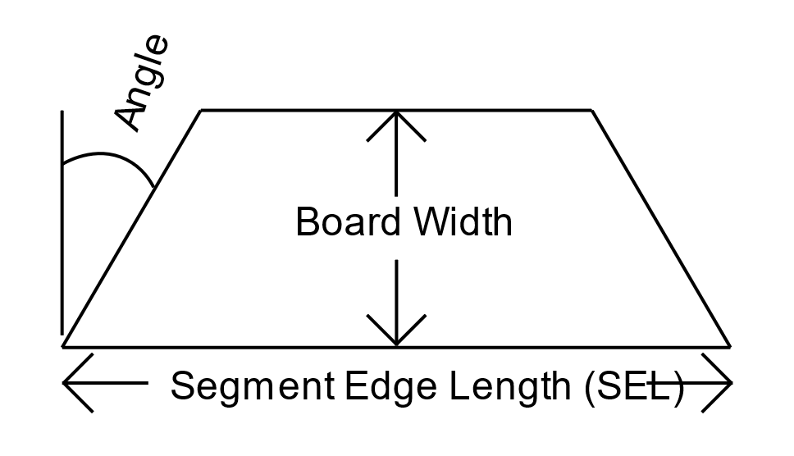
29 | 1 | 35.7 | 2.347 | 11.8" | 8 | 18 | 8 | 18 |  |  |  |  |  | 18 | 18 | 0 | 0
 |  |  | Segments of Maple | 132 |  |  |  |  |  | Bd Ft of Maple | 1.46 |  |  |  | 239.94 | 388.499 | 54.195 | 34.12
 |  |  | Segments of Walnut | 196 |  |  |  |  |  | Bd Ft of Wenge | 2.36
 |  |  | Segments of Cherry | 28 |  |  |  |  |  | Bd Ft of Purpleheart | 0.33
 |  |  | Segments of Yellowheart | 108 |  |  |  |  |  | Bd Ft of Yellowheart | 0.21
 |  |  | Total # of Pieces | 16*29 = | 464 |  |  |  |  | Total Board Feet | 4.36

